Instructions
Request for Calibration Service/Quotation (RFCSQ)

This MS Excel template consists of the following tabs:
Instructions
To provide you with information on the worksheets in this RFCSQ template and to assist you with filling out the required information.
To provide information to assist you with filling out the required information.

A Sample Page that shows how information is required to be entered in Pg3 Items…Pg6 Items worksheets
Sample Page
To provide information to assist you with filling out the required information.

Pg1 Contact Info
To be filled in by the customer.
To be filled in by the customer.

Provides a listing of the calibration methods/procedures that we use for calibrating measuring instruments/measurment standards.
All of our calibration methods/procedures were developed by referencing international standards and/or international calibration guidelines.
Pg2 Calibration Methods
Provides a listing of the calibration methods/procedures that we use for calibrating measuring instruments/measurment standards.
All of our calibration methods/procedures were developed by referencing international standards and/or international calibration guidelines.

Pg3...Pg6 Items
To be filled in by the customer (on each page, 10 items can be entered).

When you open this MS Excel template, Clik on FILE --> SAVE AS and rename the file:
"RFCSQ - Customer Name - Date of Request (yyyy-mm-dd)"
For example, "RFCSQ - TTBS - 2020-10-16"
Step ❶

Fill out the information required on the Pg1 Contact Info worksheet.
Step ❷
Fill out the information required on Pg3...Pg6 Items worksheet.
Step ❸
E-mail MS Excel file as an attachment to ttbs.calibrationservices@ttbs.org.tt
Step ❹

NOTE:
If your RFCSQ includes ON-SITE CALIBRATION of Weighing Instruments and Temperature Controlled Devices
(e.g. Ovens, Incubators, Refridgerators, Water baths, etc.), TTBS will provide you with a SEPARATE Calibration Service Order Contract for those calibration items.
At TTBS, we will review your RFCSQ to ensure that we have the capabilities to meet your calibration requirements. We will then prepare a Calibration Service Order Contract with the costing and e-mail back to you (the Customer) as a PDF attachment.

Sample Page
This is a Sample Page that shows how information is required to be entered in Pg3...Pg6 Items worksheets

1 Asset No. - This is the unique ID No. that is used to identify the calibration item (instrument/measurement standard) in your organization.
2 Maximum Acceptable Tolerance - This information will allow TTBS to assess whether it has the measurement capability to satisfy the calibration requirements of your calibration item.
 |  | - It is required in order to make a decision after the AS FOUND calibration to determine if the calibration item needs an adjustment (when adjustment is possible).
3 Conformity Statement - We can only provide you with a status of the measurement results if you specify the maximum acceptable tolerance for the measurements of the calibration item.
 | - The Decision Rule that is applied takes into consideration the Error/Deviation ± the Expanded Uncertainty at the 95% Confidence Interval in determining whether the As Found and/or
 | As Left measurement results are in compliance with the maximum acceptable tolerance information you provide. This Decision Rule will be used unless there is an agreement to use another.
4 Special Requirements - For example, indicate if you require specific test points to be calibrated, a limited calibration range, only one scale/measurement unit (for e.g. only the mm/cm scale on a ruler).
Do not group items of the same model.
Please specify information for each calibration item for which a calibration certificate will be issued.
To enter the info on a new line within the same cell, press the ALT + ENTER keys.
 | Customer: | Trinidad and Tobago Bureau of Standards |  |  |  |  | Date of Request: | 2019-08-05

No. | Calibration Item | Manufacturer, Model No., Serial No. | Asset No.1 | Range/Capacity | Resolution | Maximum 2 Acceptable Tolerance | Conformity 3 Statement Required (Y/N) | Special Requirements 4 | Qty
1 | Weighing Instrument | Mettler Toledo, Model AL204, S/N 54689725462 | WI-MT-001 | 210 g | 0.0001 g | Linearity: 0.5 mg | Y | Calibration Interval on Certificate and Sticker – 1 Year Adjust if out of tolerance | 1
2 | Set of Weights Stainless Steel | Mettler Toledo S/N 82216497 | MET012 | 20 kg – 1 mg | N/A | OIML F1 | Y | - | 28
3 | Set of Weights Cast iron | Avery, Model - NONE, S/N - NONE | - | 20 kg | N/A | OIML M1 | Y | Adjust if out of tolerance | 5
4 | Multimeter | Fluke Model 89V, S/N 45469852 | - | Multiple | Multiple | Manufacturer’s Specification | Y | Calibration Interval on Certificate and Sticker – 18 mnths | 1
5 | Calliper | Mitutoyo, CD 12” CP, S/N 1089088 | - | 0 mm – 300 mm | 0.01 mm | Manufacturer’s Specification | N | - | 1
6 | Ruler | Mitutoyo, CD 12" CP, S/N 107857 | - | 0 mm – 300 mm | 1 mm 1/16 inch | Manufacturer’s Specification | N | Calibrate ONLY the mm/cm scale. | 1
7 | External Micrometer | Mitutoyo Model - NONE S/N 6322151 | EM07 | 25 mm – 50 mm | 0.01 mm | 0.02 mm | Y | No. of Anvils - 1 No. of Setting Standards - 0 | 1
8 | Gauge Blocks | Mitutoyo Model - Series 516 S/N 14894612 | GB-01 | 1.005 mm to 100 mm | N/A | Grade 1 | Y | - | 47
9 | LiG Thermometer | Zeal Model LO114/10 S/N 5214 | ABC-T-04 | -10 °C to 150 °C | 0.1 °C | 0.5 °C | Y | - | 1
10 | Thermohygrometer | Testo, Model 645 S/N 54689701 | ABC-TH-02 | Temp: RH: | Temp: 0.1 °C RH: 0.1% | Temp: 0.5 °C RH: 2.6% | N | Temp: 20 °C RH: 25%, 50%, and 75% | 1
11 | Pressure Gauge | Ashcroft Model A/300 S/N - NONE | PG-08 | 0 psi to 300 psi | 0.1 psi | 0.25% FS | Y | - | 1
12 | Deadweight Tester Dual Piston | Ametek Model DWT-HP30 S/N 12569 | DWT-03 | Low: 1500 psi High: 30,000 psi | Low: 5 psi High: 10 psi | 0.015% of reading | Y | Calibration Interval on Certificate and Sticker – 1 Year | 1
13
14
15
16

Pg1 Contact Info
TRINIDAD AND TOBAGO BUREAU OF STANDARDS
Metrology Division
TELEPHONE: FAX:
(868) 662-TTBS (8827) (868) 663-4335
LOCATION: POSTAL ADDRESS:
1-2 Century Drive, P.O. Box 467,
Trincity Industrial Estate, Port of Spain,
Macoya, Tunapuna, Trinidad, W.I. Trinidad, W.I.

E-MAIL: WEBSITE
ttbs.calibrationservices@ttbs.org.tt www.ttbs.org.tt

Request for Calibration Service/Quotation

Click in Box to select
 |  |  |  |  |  | Date of Request:

 |  |  |  |  |  |  | Press the TAB key to move from one field to the next.
Ship To: | Customer:
 | Address:
 | City: |  |  | Country:
 | Technical Contact: |  |  | Job Title:
 | Phone: | Fax: |  |  | E-mail:

To be filled in by Overseas Customers for Return Shipping.
 | Return Shipping information (Overseas Customers)
 | Preferred Shipping Carrier |  | Shipping Acct. No. |  |  | Priority Level

 | Additional Information

Click in Box to select
Only fill out if information is different from Ship To Address.
Invoice To:
 | Customer:
 | Address:
 | City: |  |  | Country:
 | Billing Contact: |  |  | Job Title:
 | Phone: | Fax: |  |  | E-mail:

Click in Box to select
Only fill out if information is different from Ship To Address.
Certificate Made Out To:
 | Organization:
 | Address:
 | City: |  |  | Country:

REQUEST FOR CALIBRATION SERVICE/QUOTATION - ADDITIONAL INFORMATION

Click and Type Here…

REQUEST FOR CALIBRATION SERVICE/QUOTATION - RECEIVED by TTBS

Name |  |  | Comments:
Date

1. See Pg 2 for a List of Calibration Methods that we use for the calibration of instruments/measurement standards. 2. For a current list of our Scope of Accreditation, check theTTBS website or our Accreditation Body (A2LA) website.

Pg2 Calibration Methods
LIST OF CALIBRATION METHODS |  | Click on the link below to access our current Scope of Accreditation from the A2LA website

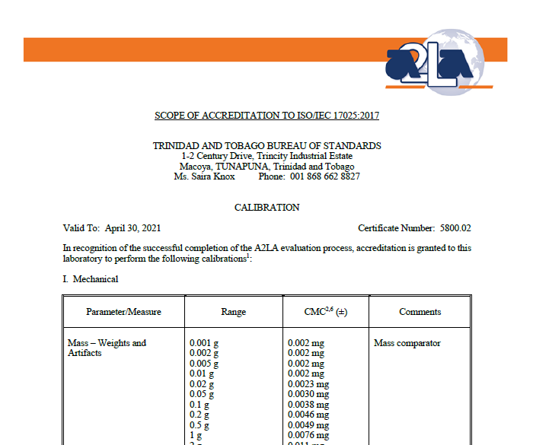
 |  | https://cabportal.touchstone.a2la.org/index.cfm?event=directory.detail&labPID=FC7B019C-6E15-4051-B7E4-425798BCA8D9
Mass Calibration
 | Weights:
 | LABM03-106, Calibration of Weights by direct comparison with reference mass standards

 | Weighing Instruments:
 | LABM03-112, Calibration of Electronic Balances with reference mass standards
 | LABM03-113, Calibration of a Mechanical Single Pan Counter Scale with reference mass standards
 | LABM03-114, Calibration of a Mechanical Two Pan Counter Scale with reference mass standards
 | LABM03-118, Calibration of Electronic Platform Scales with reference mass standards
 | LABM03-119, Calibration of Mechanical Steelyard Platform Scales with reference mass standards
 | LABM03-120, Calibration of Mechanical Dial Platform Scales with reference mass standards
 | LABM03-121, Calibration of Electronic Weighbridges with reference mass standards
 | LABM03-122, Calibration of a Hopper Scale with reference mass standards

Electrical Calibration
 | LABP03-901, Calibration of electrical instruments by comparison with reference electrical standards

Dimension Calibration
 | LABM03-201, Calibration of Micrometers by comparison with reference gauge blocks
 | LABP03-202, Calibration of Callipers by comparison with reference gauge blocks
 | LABM03-203, Calibration of Dial Indicators by comparison with reference gauge blocks
 | LABM03-206, Calibration of GO NO-GO Gauges
 | LABM03-207, Calibration of Measuring Tapes by comparison with reference gauge blocks
 | LABM03-208, Calibration of Height Gauges by comparison with reference gauge blocks
 | LABM03-207, Calibration of Depth Gauges by comparison with reference gauge blocks
 | LABM03-212, Calibration of Rulers
 | ISO 3650, Calibration of Gauge Blocks by comparison with reference gauge blocks

Volume Calibration
 | LABM03-401, Calibration of Volumetric Glassware by gravimetric method
 | LABM03-405, Calibration of Volumetric Provers by gravimetric method

Density Calibration
 | LABM03-601, Calibration of Hydrometers by comparison with a reference density meter

Temperature Calibration
 | LABM03-304, Calibration of Thermometers by comparison in liquid baths with reference PRTs
 | LABM03-310, Calibration of Temperature Controlled Enclosures by comparison with thermocouples or thermistors
 | LABM03-317, Calibration of Platinum Resistance Thermometers

Humidity Calibration
 | LABM03-313, Calibration of Temperature-Humidity Measuring Instruments by comparison with reference instruments in
 | a Humidity Generator

Pressure Calibration
 | LABM03-801, Calibration of Mechanical Pressure Gauges by comparison with reference pressure instruments
 | LABM03-802, Calibration of Digital Pressure Gauges by comparison with reference pressure instruments
 | LABM03-803, Calibration of Deadweight Testers by cross floating comparison with a reference pressure balance

Torque Calibration
 | LABM03-805, Calibration of Hand Torque Tools by comparison with reference transducers

